PRD
Product Requirement Document (PRD) - Version: 1.0

Template Name |  | Exercise Dashboard
Goals & Objective |  | From this dashboard the user will be able to watch different types of exercises From this website use can : -the user will be able to track exercise time -the user will be able to listen to music using spotify -they will get their daily motivation video uploaded by the trainer/admin -they will be able to see notification -they will be able to see their exercise manual
Client Information
Product Type |  | Web Application
Domain |  | Web2
Access Layers |  | User, Trainer
Design Required |  | Yes

Phase | Item No | Specification [Role] | Screen Definition | User Story | Acceptance Criteria |  | Tags
phase 1 | 1 | Dashboard [Admin] [User] | Dashboard Summary Cards | Admin view summary statistics for total appointments, invoices, and patients on the dashboard so I can quickly understand the hospital's daily activity and performance without navigating to other pages. | 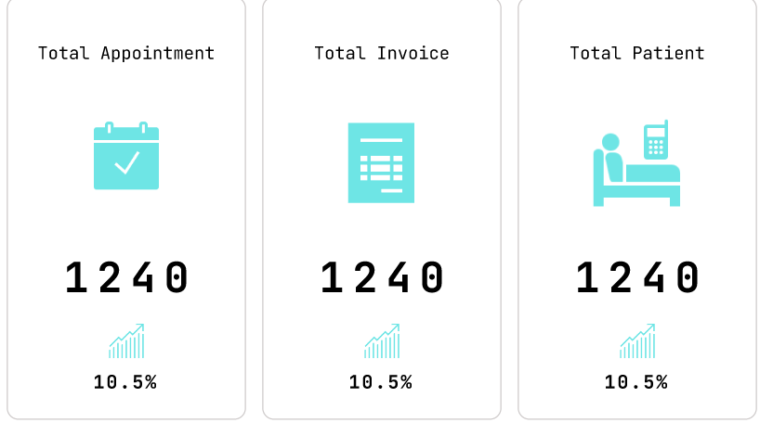 1. Cards display up-to-date counts retrieved from the backend. 2. Icons must visually represent their respective metrics (e.g., calendar for appointments). 3. Clicking a card should navigate to its corresponding detailed module.
phase 3 | 8 | Dashboard [Admin] [User] | Global Search | Admin can search for staff or patients instantly from the dashboard. | 1.Autocomplete dropdown with matching results. 2.Clicking a result redirects to the detail page. 3.Case-insensitive and partial match support.
phase 4 | 9 | Dashboard [Admin] [User] | Notifications | Admin can see pending approvals and alerts in one place. | 1.Each item shows sender, time, and message. 2.Has a "view" or "take action" button. 3.Sorted by most recent. | 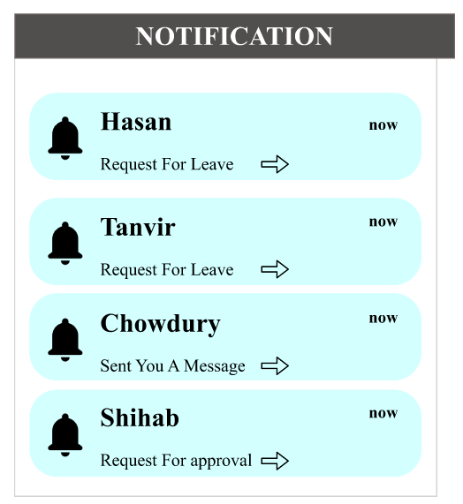
phase 5 | 10 | Dashboard [Admin] [User] | Calendar + Task Timeline | Admin can view my schedule on a calendar and daily timeline for efficient planning. | 1.Calendar highlights today’s date. 2.Tasks are time-boxed and color-coded. 3. "+" allows new task creation. | 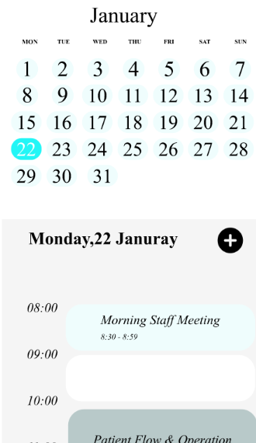
phase 6 | 11 | Dashboard [Admin] [User] | Maintenance/Issue Reports | Admin can monitor reports like HVAC issues or equipment failure to resolve them quickly. | 1.Icon, issue name, time logged shown. 2.Clickable for detail view. 3.Sorted by urgency or time. | 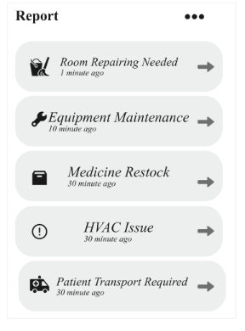
phase 7 | 12 | Dashboard [Admin] [User] | 6. Income vs Expense Chart | Admin visualize financial trends to help with budgeting. | 1.Supports week/month/year view. 2.Hover shows exact income/expense. 3.Clearly labeled legends. | 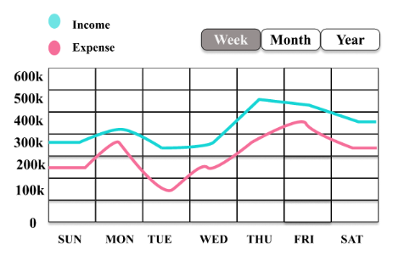
phase 8 | 13 | Dashboard [Admin] [User] | 7. Patient Category Overview | Admin can see patient types to analyze department load. | 1.Breakdown by Emergency, General, Other. 2.Center shows total patient count. 3.Legends match chart colors. | 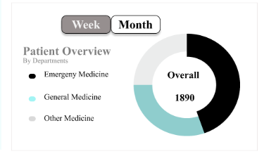
phase 9 | 14 | Dashboard [Admin] [User] | 8. Doctor Schedule | Admin view summary statistics for total appointments, invoices, and patients on the dashboard so I can quickly understand the hospital's daily activity and performance without navigating to other pages. | vAs a receptionist, I want to see which doctors are available so I can schedule accordingly. | 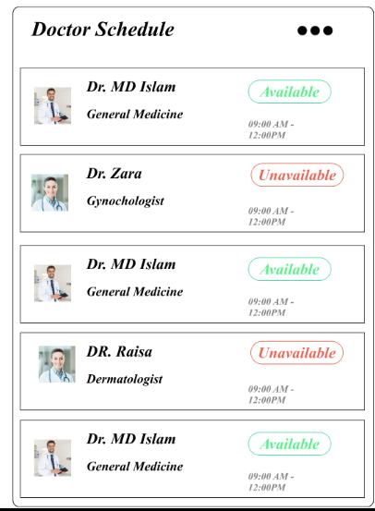
phase 10 | 15 | Dashboard [Admin] [User] | 9. Appointment Table | Admin can track and manage appointments in a table view. | 1.Rows show name, date, time, status. 2.Editable or cancellable via action buttons. 3.Scrollable if overflow. | 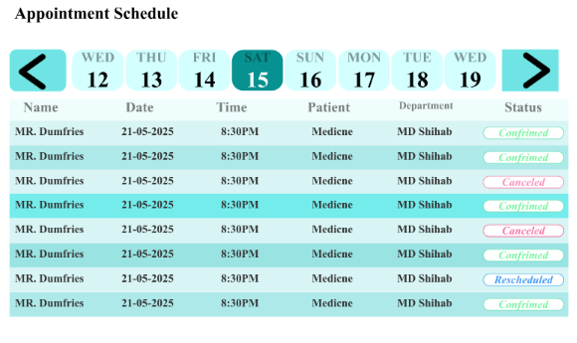
phase 11 | 16 | Dashboard [Admin] [User] | 10. Side Navigation Menu | Admin can easily navigation to all modules from a fixed sidebar. | Each item labeled with icon. Active tab is highlighted. Routes to the correct screen. | 